metal dice
6-in-1, rotating |  |  | 7-in-1, rotating |  |  | D8 7-in-1 |  |  | 7-in-1, rotating |  |  | 7-in-1, rotating D6 dice |  |  | 7-in-1 Carousel Dice (customisable) |  |  |  | D20 Carousel Dice |  |  | 7-in-1 Carousel Dice (customisable) |  |  | 7-in-1 Carousel Dice (customisable) |  |  | Revolver Set Dice (customisable) |  |  | 7-in-1 Carousel Dice (customisable)
picture | SKU | order MOQ | picture | SKU | order MOQ | picture | SKU | order MOQ | picture | SKU | order MOQ | picture | SKU | order MOQ | picture | SKU | order MOQ |  | picture | SKU | order MOQ | picture | SKU | order MOQ | picture | SKU | order MOQ | picture | SKU | order MOQ | picture | SKU | order MOQ
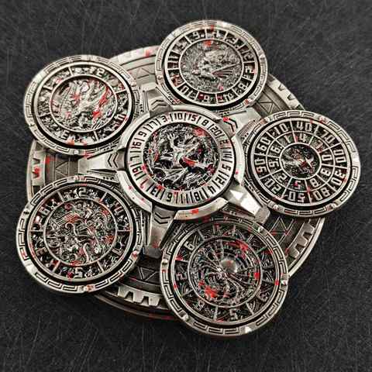 | LP-1 | 100 | 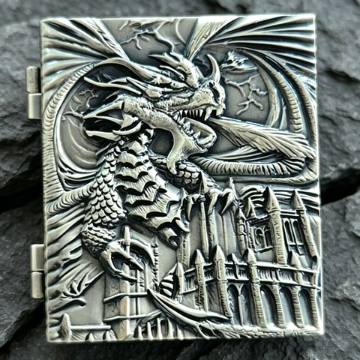 | MFS-1 | 100 | 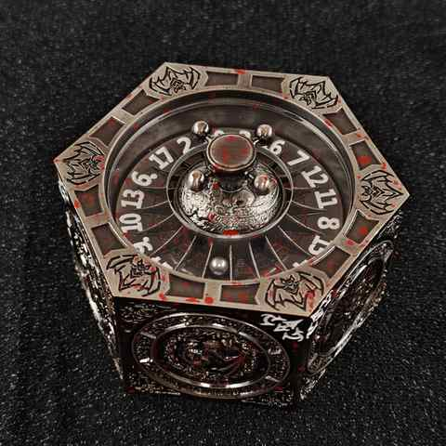 | D8-1 | 100 | 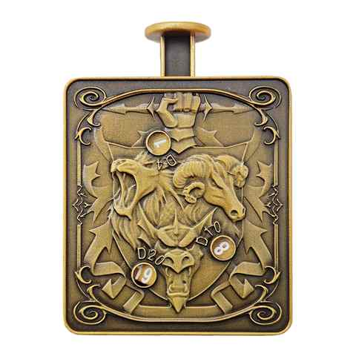 | JSHB-7 | 100 | 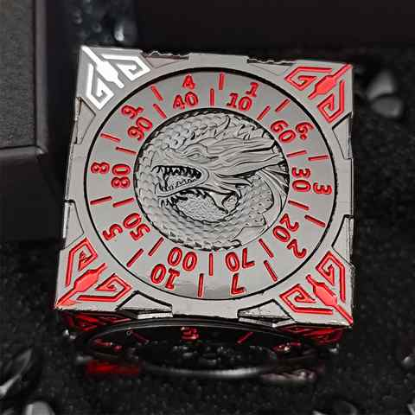 | D6-1 | 100 | 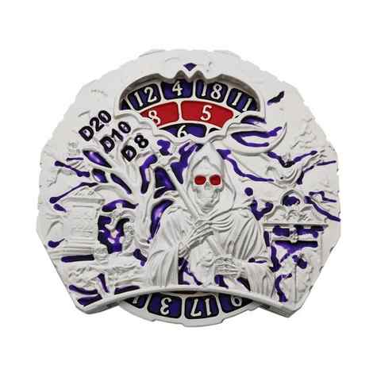 | KLZP-1 | 100 |  | 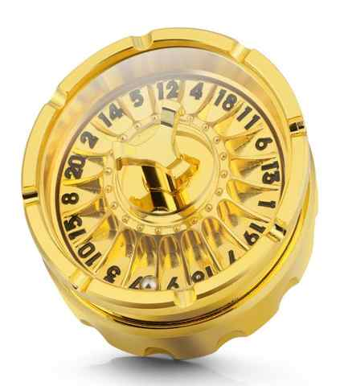 | D20-1 | 100 | 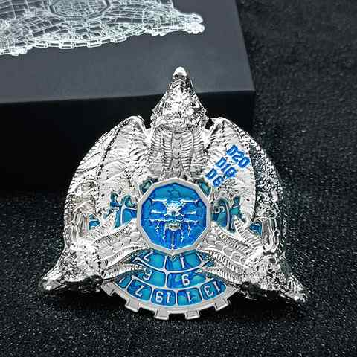 | D20-1 | 100 | 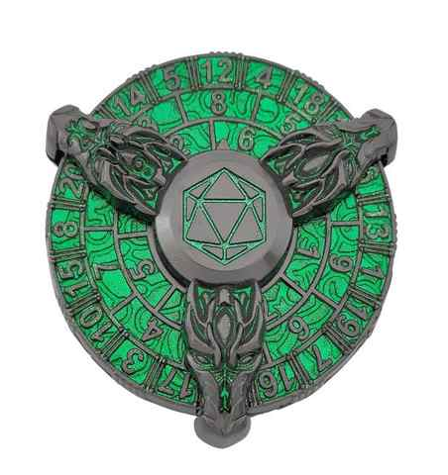 | XLZP-1 | 100 | 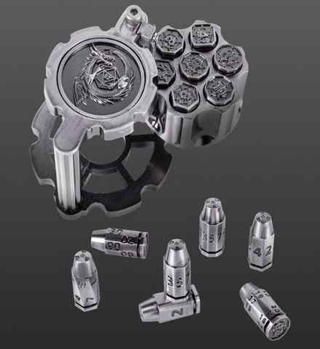 | ZDJ-1 | 100 | 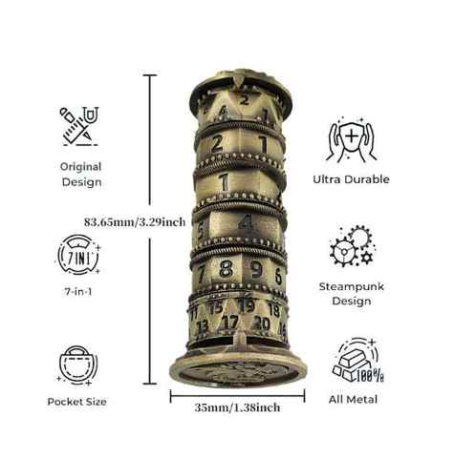 | TA-1 | 100
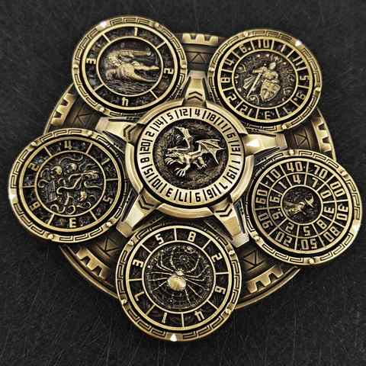 | LP-2 | 100 | 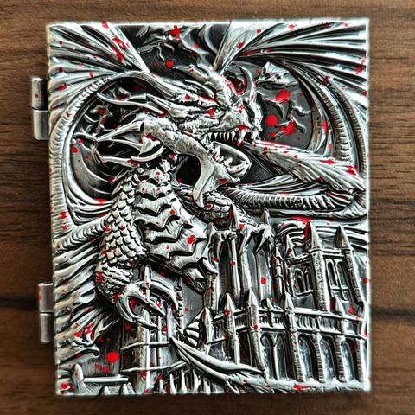 | MFS-2 | 100 | 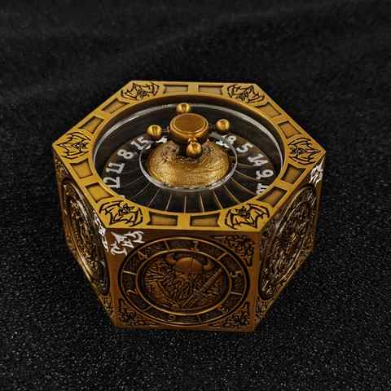 | D8-2 | 100 | 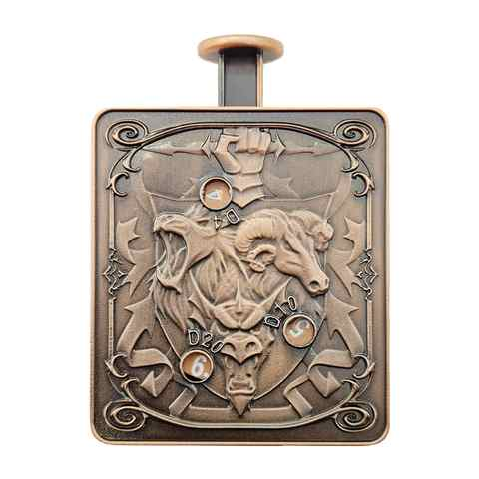 | JSHB-8 | 100 | 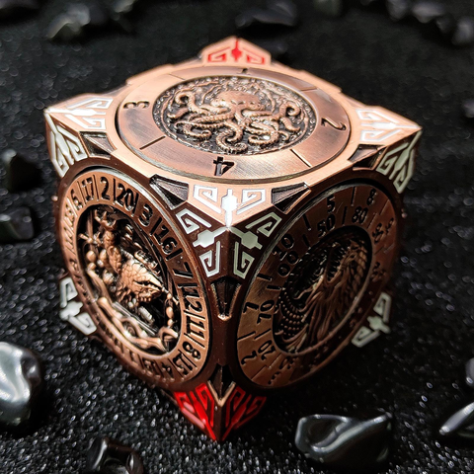 | D6-2 | 100 |  | KLZP-2 | 100 |  | 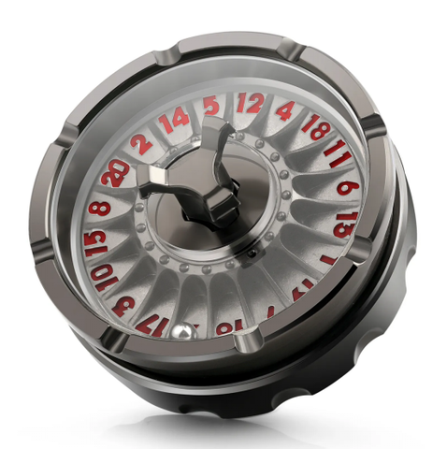 | D20-2 | 100 | 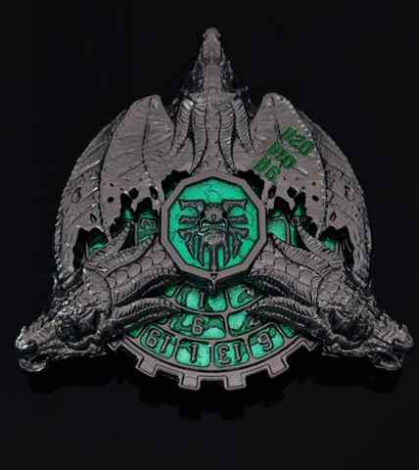 | D20-2 | 100 | 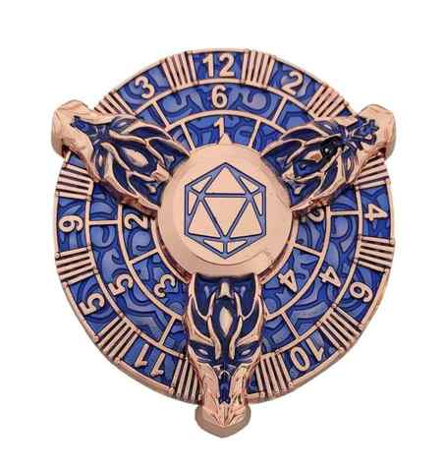 | XLZP-2 | 100 | 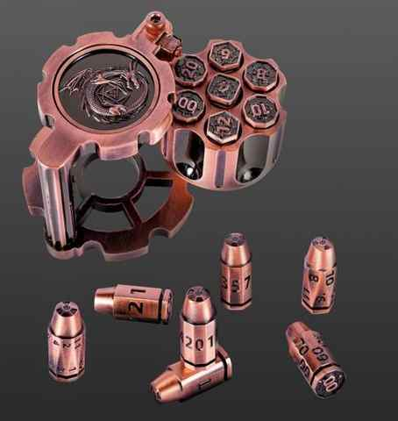 | ZDJ-2 | 100 | 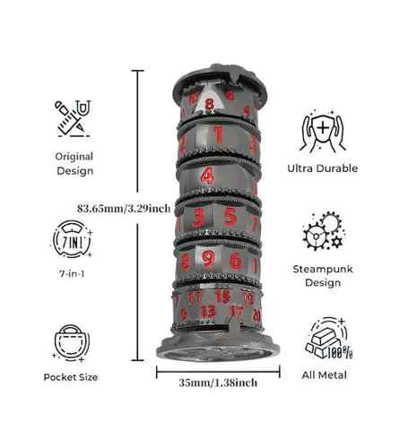 | TA-2 | 100
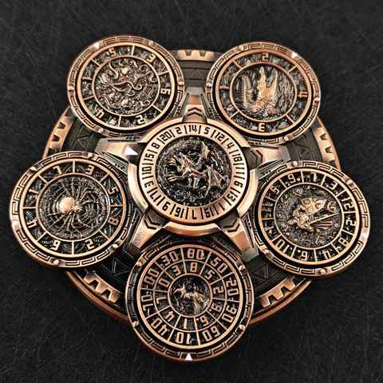 | LP-3 | 100 | 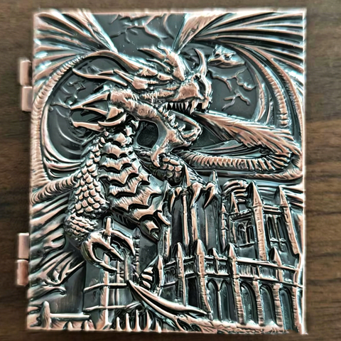 | MFS-3 | 100 | 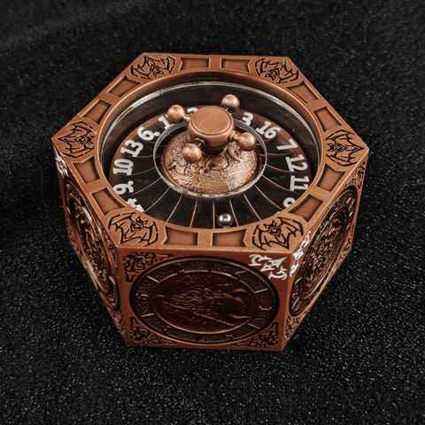 | D8-3 | 100 | 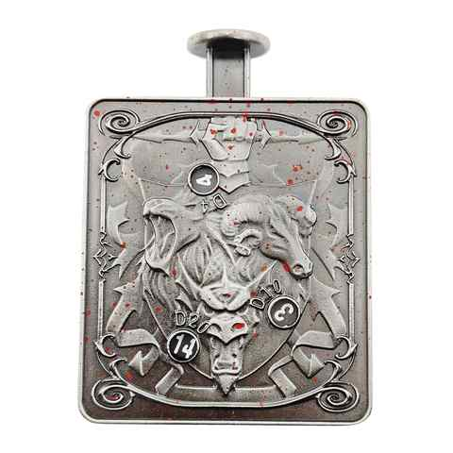 | JSHB-9 | 100 | 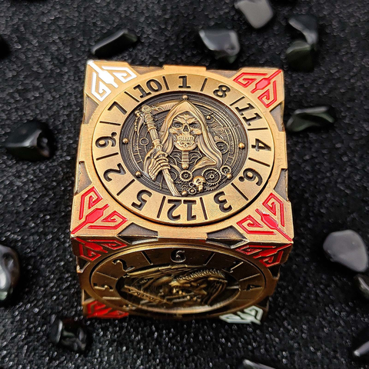 | D6-3 | 100 |  | KLZP-3 | 100 |  | 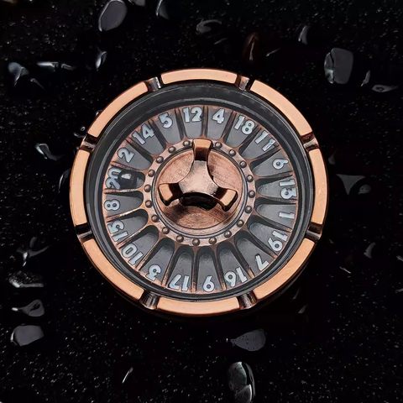 | D20-3 | 100 | 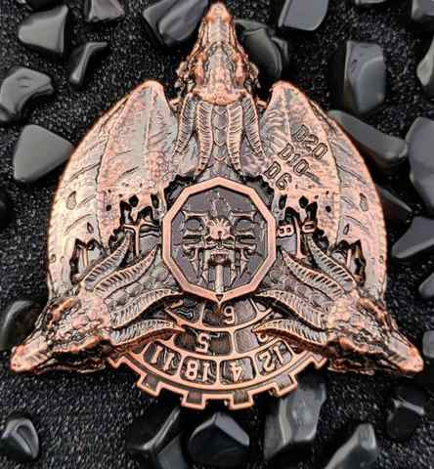 | ELZP-1 | 100 | 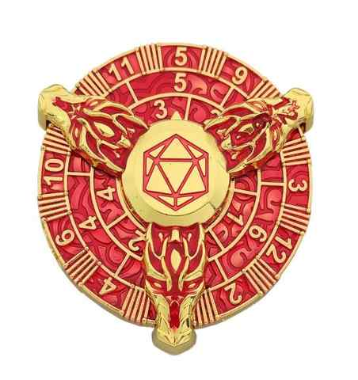 | XLZP-3 | 100 | 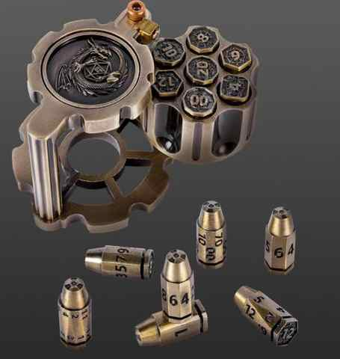 | ZDJ-3 | 100 | 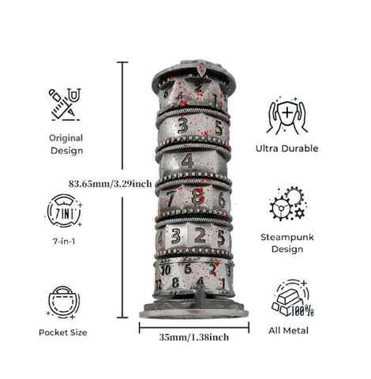 | TA-3 | 100
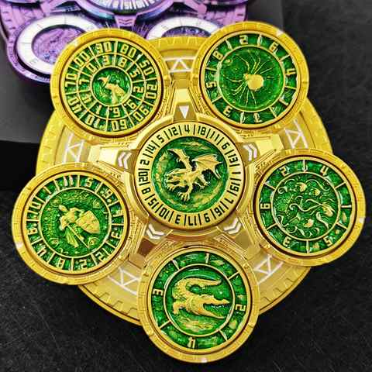 | LP-4 | 100 | 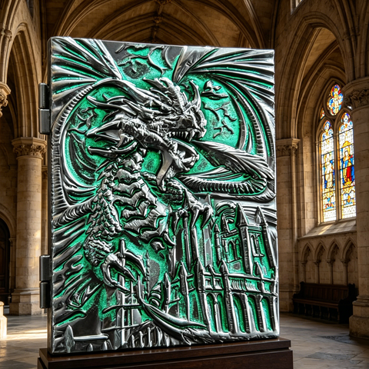 | MFS-4 | 100 | 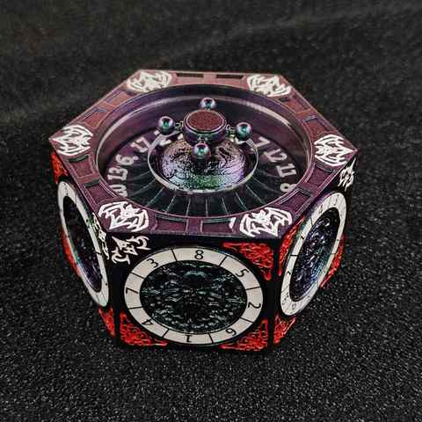 | D8-4 | 100 | 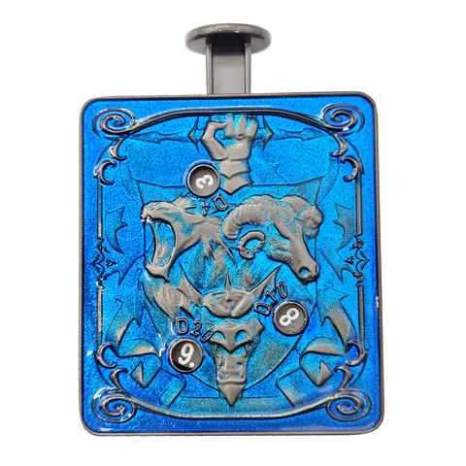 | JSHB-10 | 100 | 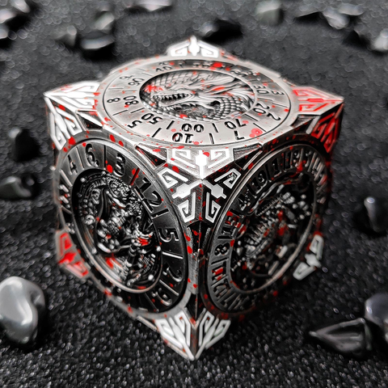 | D6-4 | 100 | 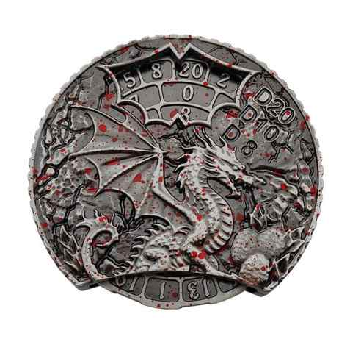 | XL-1 | 100 |  | 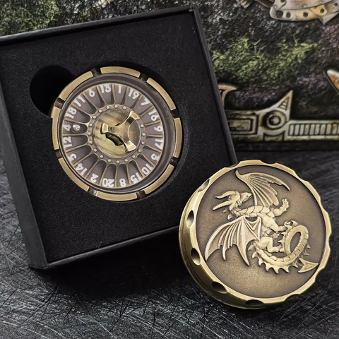 | D20-4 | 100 | 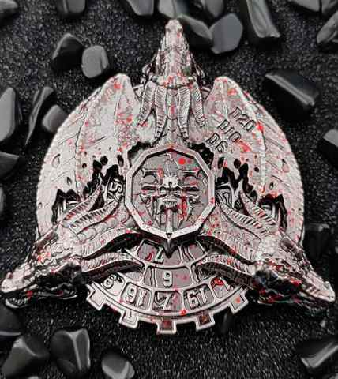 | ELZP-2 | 100 | 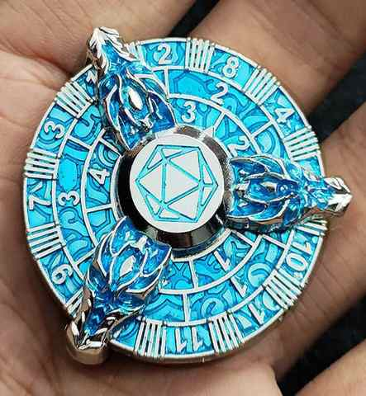 | XLZP-4 | 100 | 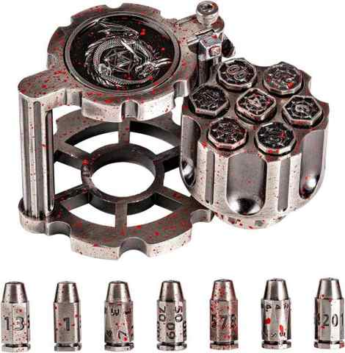 | ZDJ-4 | 100 | 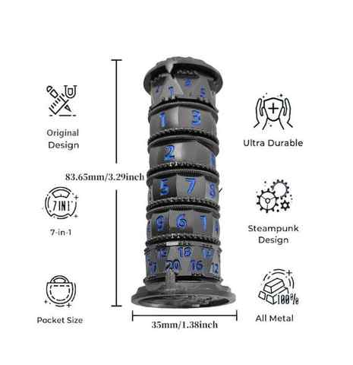 | TA-4 | 100
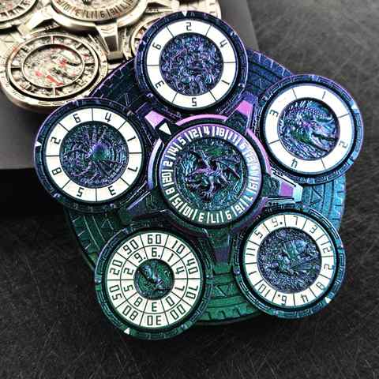 | LP-5 | 100 | 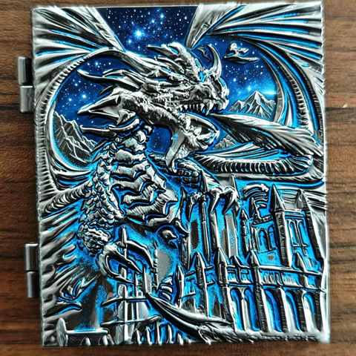 | MFS-5 | 100 | 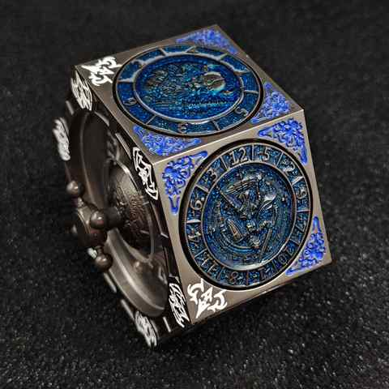 | D8-5 | 100 | 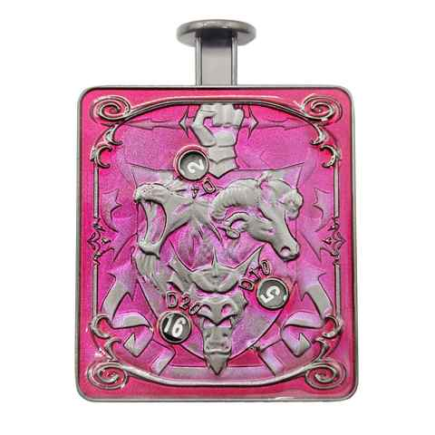 | JSHB-11 | 100 | 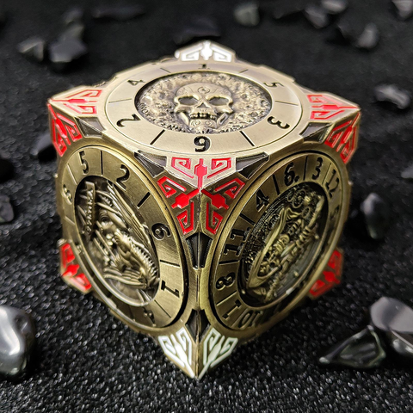 | D6-5 | 100 | 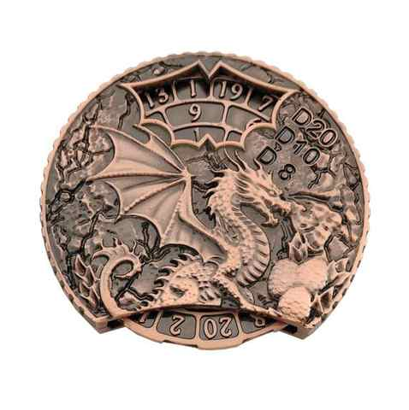 | XL-2 | 100 |  | 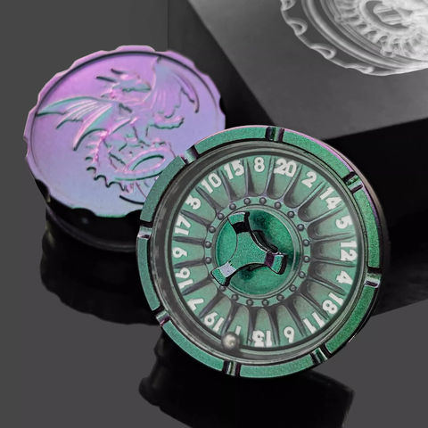 | D20-5 | 100 |  | ELZP-3 | 100 | 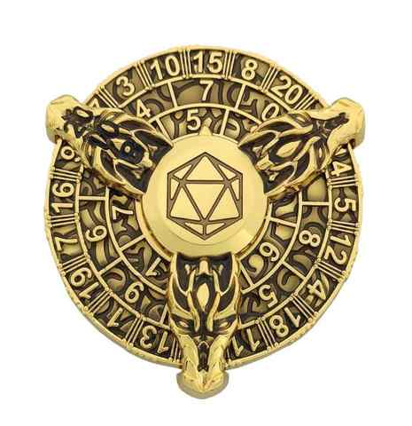 | XLZP-5 | 100 |  | ZDJ-5 | 100 |  | TA-5 | 100
 |  |  |  | MFS-6 | 100 |  | D8-6 | 100 |  | JSHB-12 | 100 |  | D6-6 | 100 |  | XL-3 | 100 |  |  | D20-6 | 100 |  | ELZP-4 | 100 |  | XLZP-6 | 100 |  | ZDJ-6 | 100
 |  |  |  | MFS-7 | 100 |  |  |  |  | JSHB-13 | 100 |  | D6-7 | 100 |  | XL-4 | 100 |  |  | D20-7 | 100 |  | TKZP-1 | 100 |  | XLZP-7 | 100 |  | PD-1 | 100
 |  |  |  | CT-1 | 100 |  |  |  |  | JSHB-14 | 100 |  | D6-8 | 100 |  | XL-5 | 100 |  |  | D20-8 | 100 |  | TKZP-2 | 100 |  | XLZP-8 | 100 |  | PD-2 | 100
 |  |  |  | CT-2 | 100 |  |  |  |  | JSHB-15 | 100 |  | D6-9 | 100 |  | XL-6 | 100 |  |  | LPD-1 | 100 |  | TKZP-3 | 100 |  | LZP-1 | 100 |  | PD-3 | 100
 |  |  |  | CT-3 | 100 |  |  |  |  | JSHB-16 | 100 |  | D6-10 | 100 |  | XL-7 | 100 |  |  | LPD-2 | 100 |  | TKZP-4 | 100 |  | LZP-2 | 100 |  | PD-4 | 100
 |  |  |  | CT-4 | 100 |  |  |  |  | JSHB-17 | 100 |  | D6-11 | 100 |  | ZP-1 | 100 |  |  | LPD-3 | 100 |  | TKZP-5 | 100 |  | LZP-3 | 100
 |  |  |  | CT-5 | 100 |  |  |  |  | JSHB-18 | 100 |  | D6-12 | 100 |  | ZP-2 | 100 |  |  | LPD-4 | 100 |  | ZPCL-1 | 100 |  | LZP-4 | 100
 |  |  |  | CT-6 | 100 |  |  |  |  | JSHB-19 | 100 |  | D6-13 | 100 |  | ZP-3 | 100 |  |  | LPD-5 | 100 |  | ZPCL-2 | 100 |  | LZP-5 | 100
 |  |  |  |  |  |  |  |  |  | JSHB-20 | 100 |  | LS-1 | 100 |  | ZP-4 | 100 |  |  | xd20-1 | 100 |  | ZPCL-3 | 100 |  | LZP-6 | 100
 |  |  |  |  |  |  |  |  |  | JSHB-21 | 100 |  | LS-2 | 100 |  | ZP-5 | 100 |  |  | xd20-2 | 100 |  | ZPCL-4 | 100 |  | JXZP-1 | 100
 |  |  |  |  |  |  |  |  |  | JSHB-22 | 100 |  | LS-3 | 100 |  | ZP-6 | 100 |  |  | xd20-3 | 100 |  | ZPCL-5 | 100 |  | JXZP-2 | 100
 |  |  |  |  |  |  |  |  |  | AJ-1 | 100 |  | LS-4 | 100 |  |  |  |  |  | xd20-4 | 100 |  | ZPCL-6 | 100 |  | JXZP-3 | 100
 |  |  |  |  |  |  |  |  |  | AJ-2 | 100 |  | LS-5 | 100 |  |  |  |  |  | xd20-5 | 100 |  |  |  |  | JXZP-4 | 100
 |  |  |  |  |  |  |  |  |  | AJ-3 | 100 |  | LS-6 | 100 |  |  |  |  |  | xd20-6 | 100 |  |  |  |  | JXZP-5 | 100
 |  |  |  |  |  |  |  |  |  | AJ-4 | 100 |  |  |  |  |  |  |  |  |  |  |  |  |  |  | JXZP-6 | 100
 |  |  |  |  |  |  |  |  |  | AJ-5 | 100 |  |  |  |  |  |  |  |  |  |  |  |  |  |  | ZYZP-1 | 100
 |  |  |  |  |  |  |  |  |  | AJ-6 | 100 |  |  |  |  |  |  |  |  |  |  |  |  |  |  | ZYZP-2 | 100
 |  |  |  |  |  |  |  |  |  |  |  |  |  |  |  |  |  |  |  |  |  |  |  |  |  | ZYZP-3 | 100
 |  |  |  |  |  |  |  |  |  |  |  |  |  |  |  |  |  |  |  |  |  |  |  |  |  | ZYZP-4 | 100
 |  |  |  |  |  |  |  |  |  |  |  |  |  |  |  |  |  |  |  |  |  |  |  |  |  | ZYZP-5 | 100
 |  |  |  |  |  |  |  |  |  |  |  |  |  |  |  |  |  |  |  |  |  |  |  |  |  | ZYZP-6 | 100

