metal dice
Small size dice |  |  |  | Small size dice |  |  | New gear dice |  |  | Vine Dice |  |  | Peanut dice |  |  | Bitcoin Dice |  |  | Metal wooden dice |  |  |  | Metal Cubic Dragon Dice |  |  | Plum Dice |  |  | Dragon Eye Dice |  |  | Poker dice |  |  | Dragon pattern dice |  |  |  | skull dice |  |  |  | Big Mouth Dice |  |  | Alien Dice |  |  | Eye Dice |  |  |  | Mechanical Dice |  |  | Gear Dice |  |  |  | Lotus Dice |  |  |  | Arrow Dice |  |  | Dragon Dice |  |  | Sword Dice |  |  | meteor hammer dice
picture | SKU | order MOQ |  | picture | SKU | order MOQ | picture | SKU | order MOQ | picture | SKU | order MOQ | picture | SKU | order MOQ | picture | SKU | order MOQ | picture | SKU | order MOQ |  | picture | SKU | order MOQ | picture | SKU | order MOQ | picture | SKU | order MOQ | picture | SKU | order MOQ | picture | SKU | order MOQ |  | picture | SKU | order MOQ |  | picture | SKU | order MOQ | picture | SKU | order MOQ | picture | SKU | order MOQ |  | picture | SKU | order MOQ | picture | SKU | order MOQ |  | picture | SKU | order MOQ |  | picture | SKU | order MOQ | picture | SKU | order MOQ | picture | SKU | order MOQ | picture | SKU | order MOQ
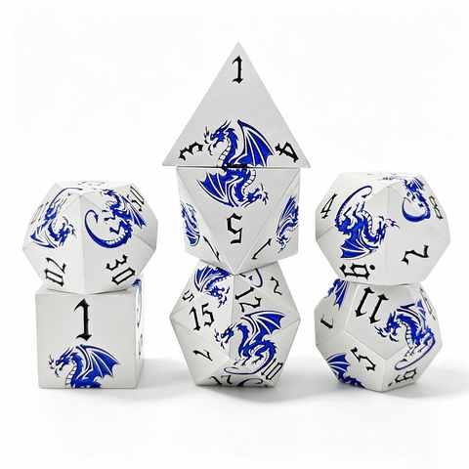 | LTA-1 | 100 |  | 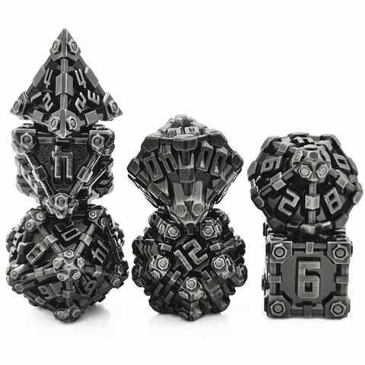 | XTZ-1 | 100 | 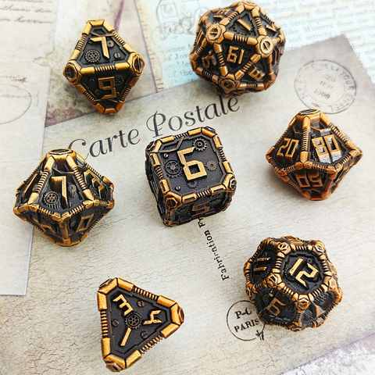 | XCL-1 | 100 | 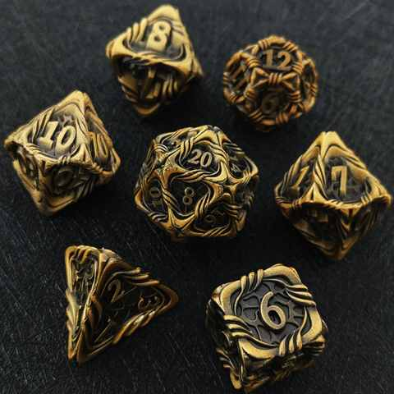 | MW-1 | 100 | 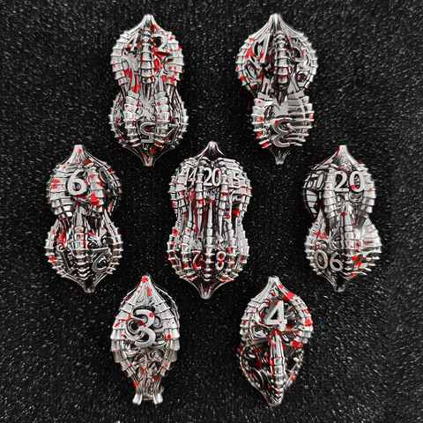 | HS-1 | 100 | 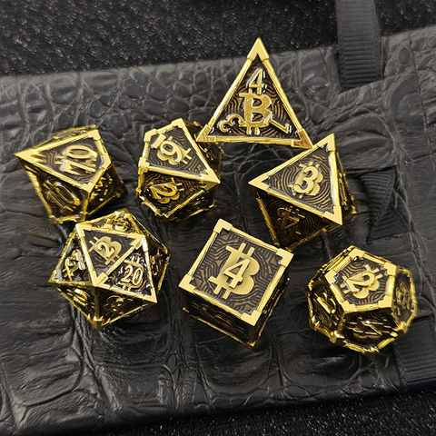 | DL-1 | 100 | 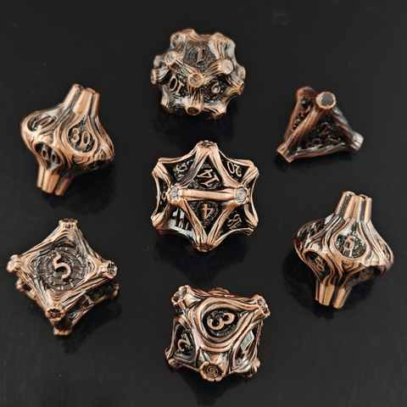 | MT-1 | 100 |  | 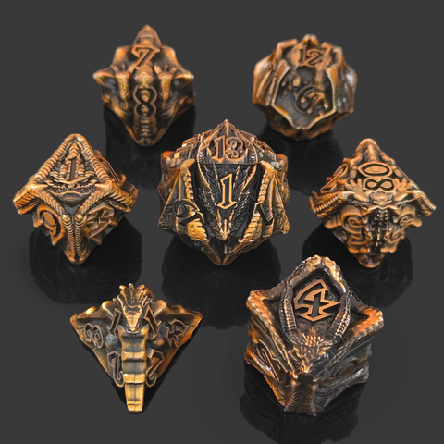 | XL-1 | 100 | 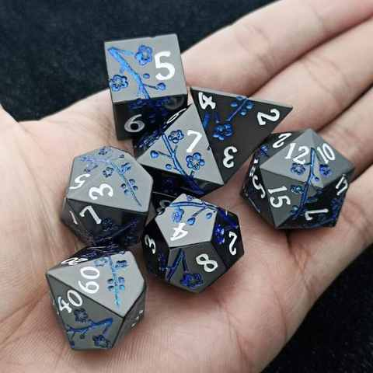 | MH-1 | 100 | 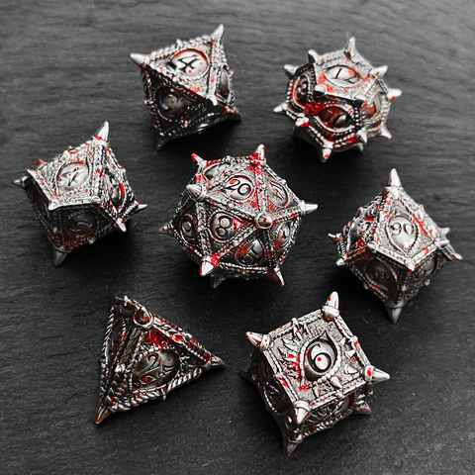 | CYJ-1 | 100 | 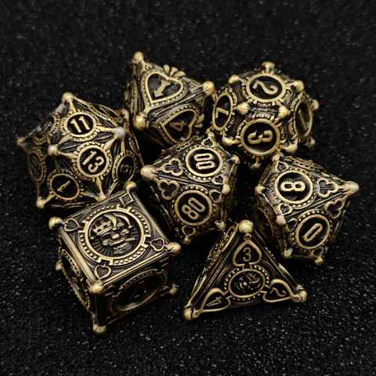 | PKP-1 | 100 | 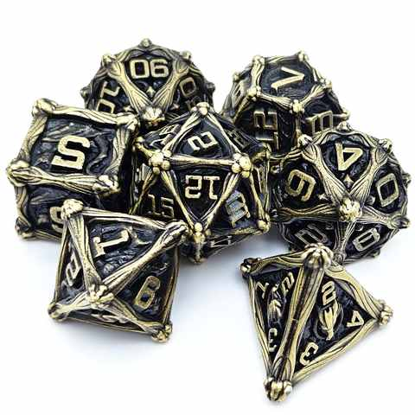 | GTL-1 | 100 |  | 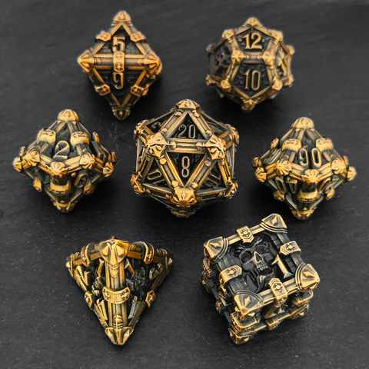 | KL-1 | 100 |  | 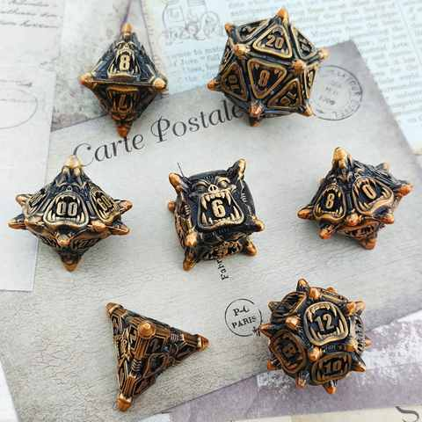 | DZ-1 | 100 | 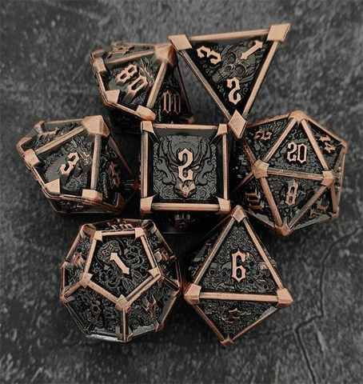 | XJ-1 | 100 | 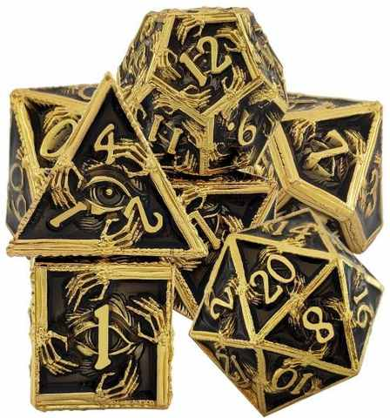 | YJ-1 | 100 |  | 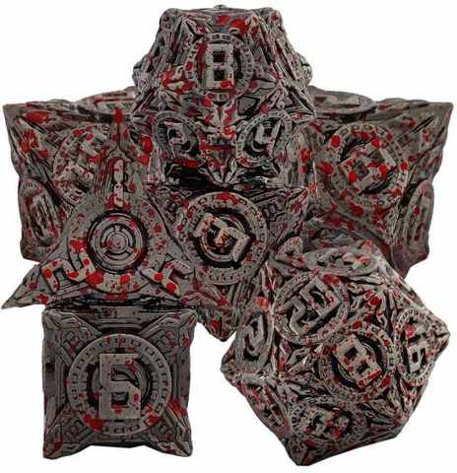 | JX-1 | 100 | 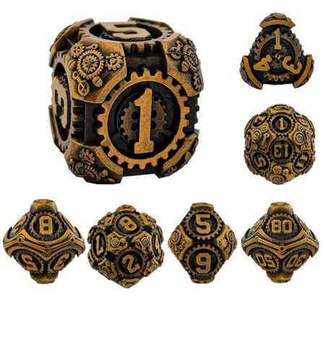 | CL-1 | 100 | 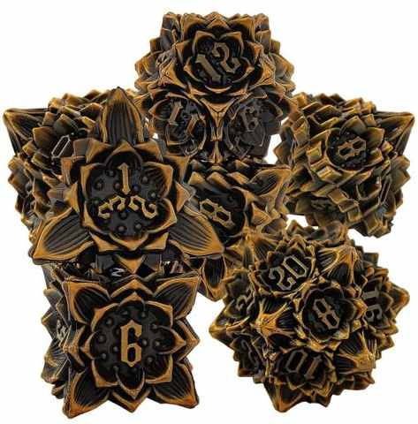 |  | LH-1 | 100 |  | 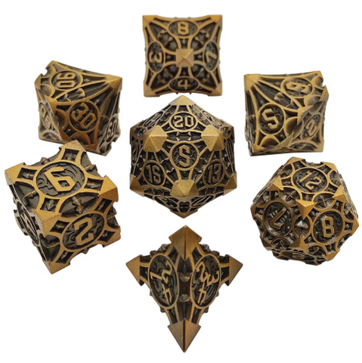 | JJ-1 | 100 | 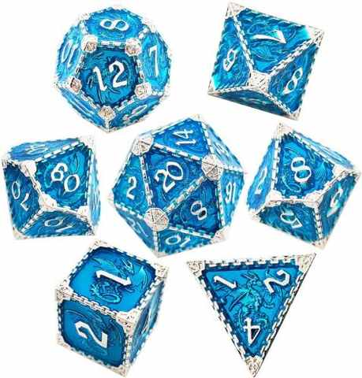 | L-1 | 100 | 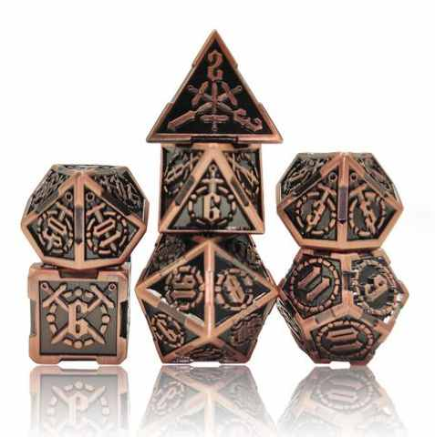 | JS-1 | 100 | 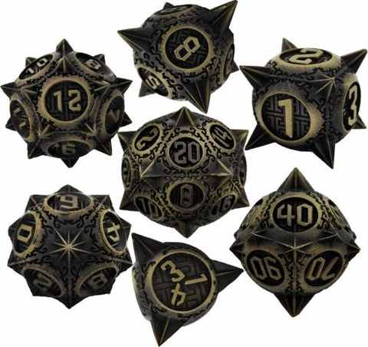 | LXQ-1 | 100
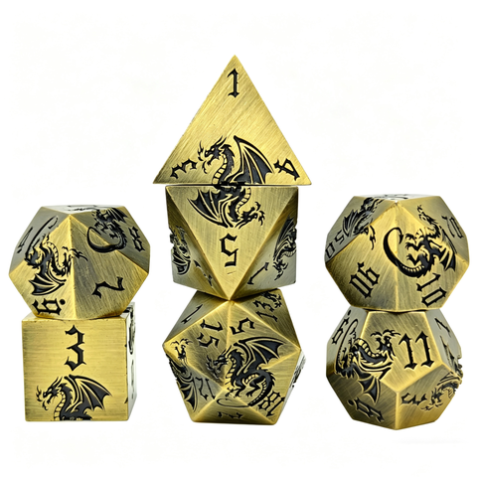 | LTA-2 |  |  | 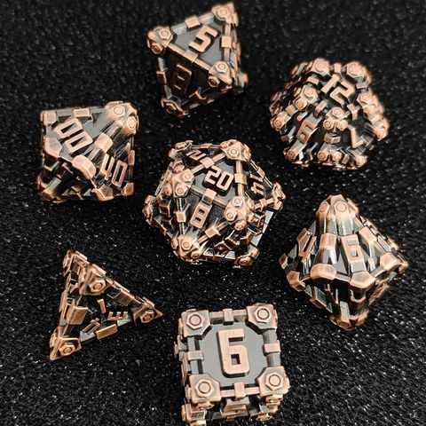 | XTZ-2 | 100 | 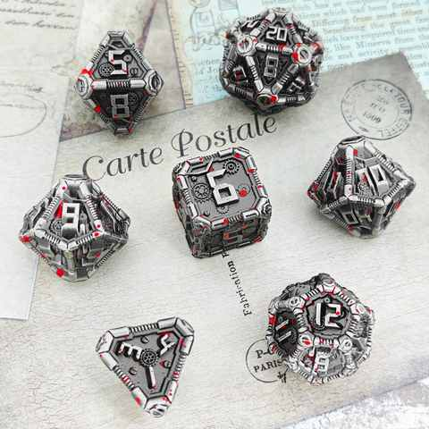 | XCL-2 | 100 | 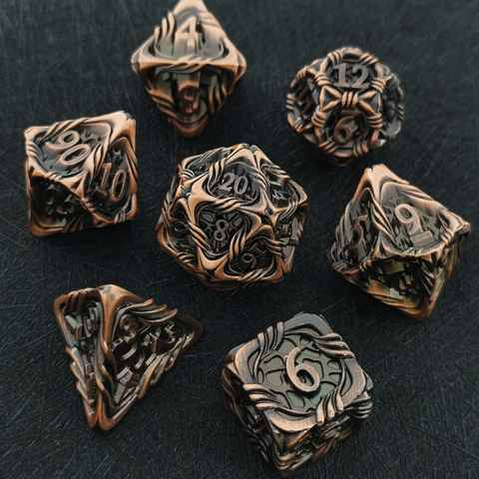 | MW-2 | 100 | 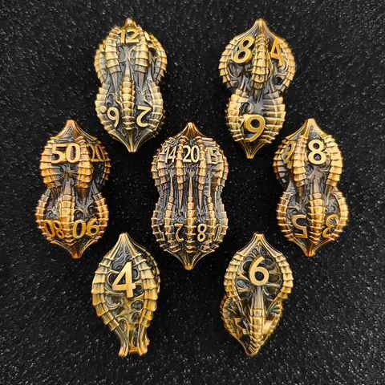 | HS-2 | 100 | 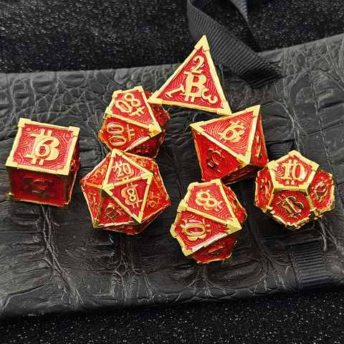 | DL-2 | 100 | 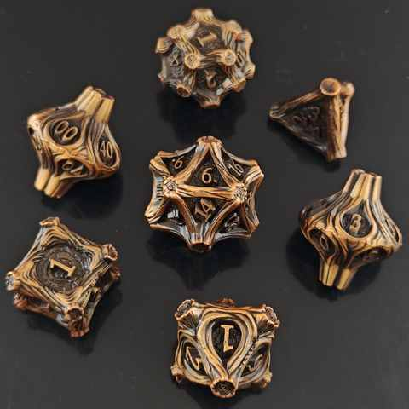 | MT-2 | 100 |  | 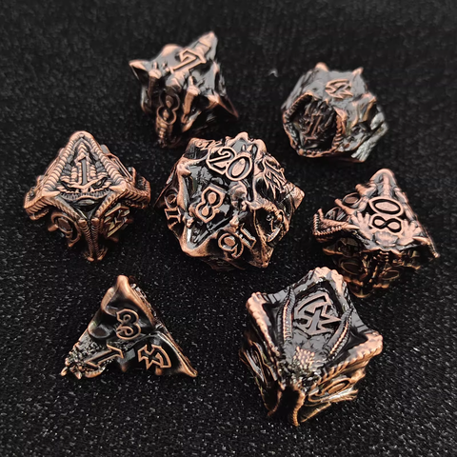 | XL-2 | 100 | 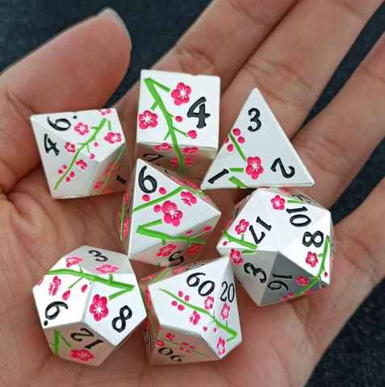 | MH-2 | 100 | 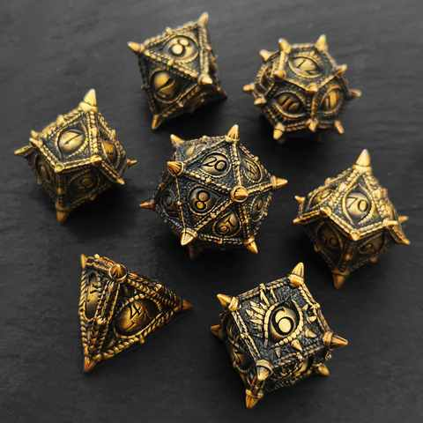 | CYJ-2 | 100 | 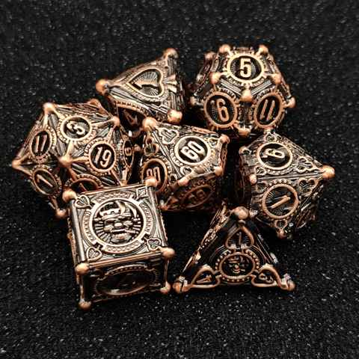 | PKP-2 | 100 | 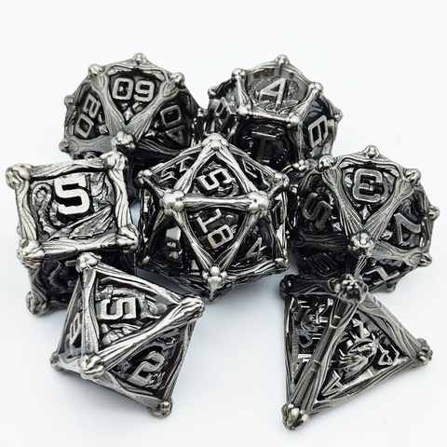 | GTL-2 |  |  | 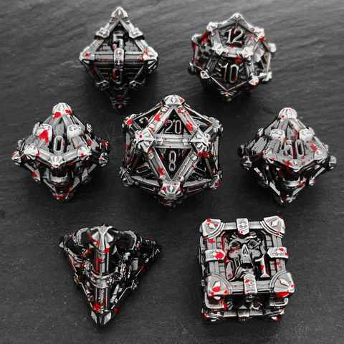 | KL-2 | 100 |  | 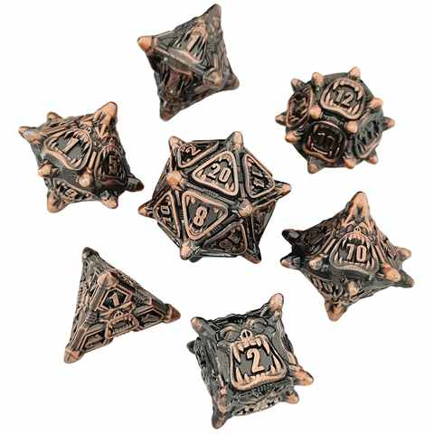 | DZ-2 | 100 | 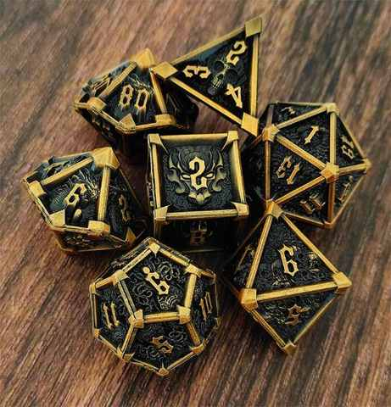 | XJ-2 | 100 | 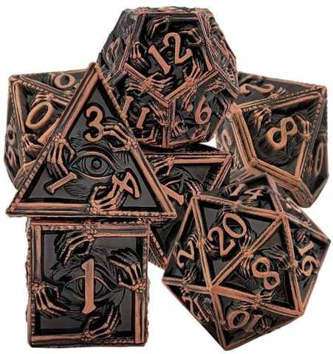 | YJ-2 | 100 |  | 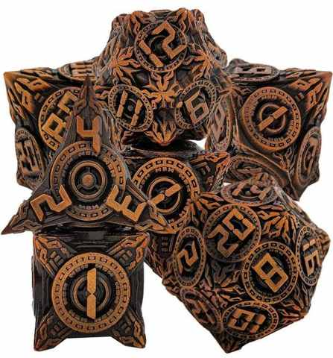 | JX-2 | 100 | 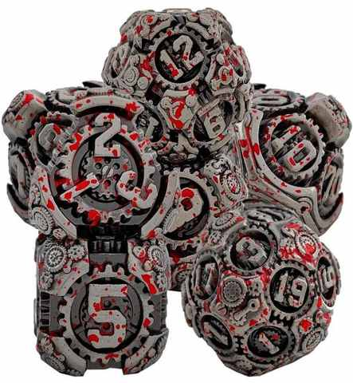 | CL-2 | 100 |  | 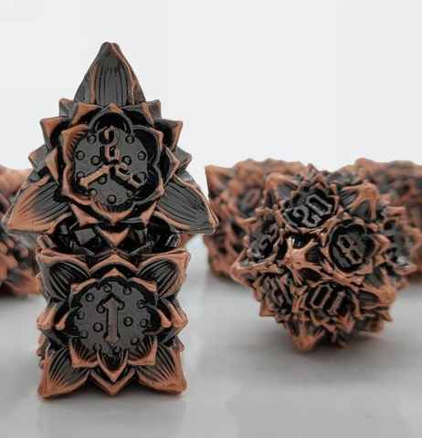 | LH-2 | 100 |  | 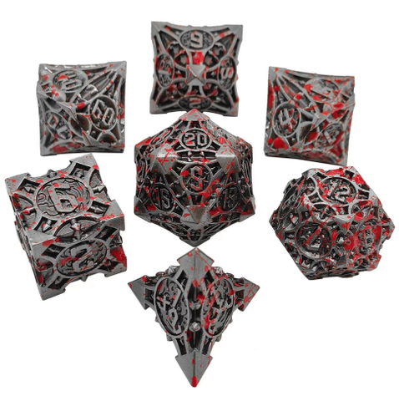 | JJ-2 | 100 | 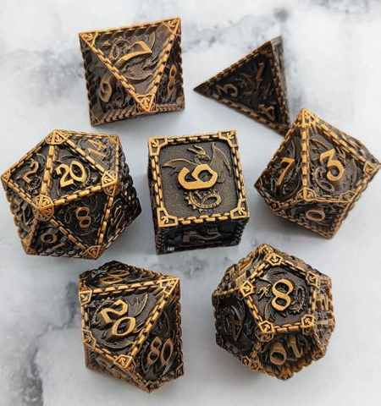 | L-2 | 100 | 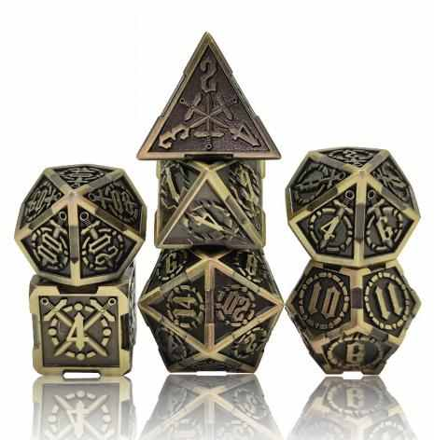 | JS-2 | 100 | 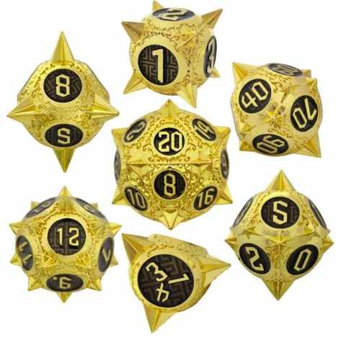 | LXQ-2 | 100
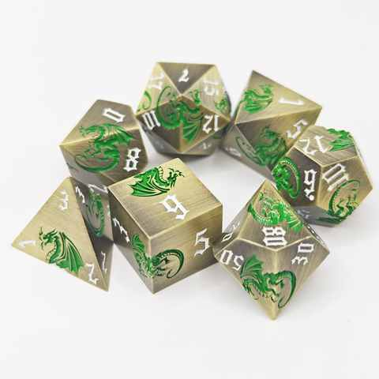 | LTA-3 |  |  | 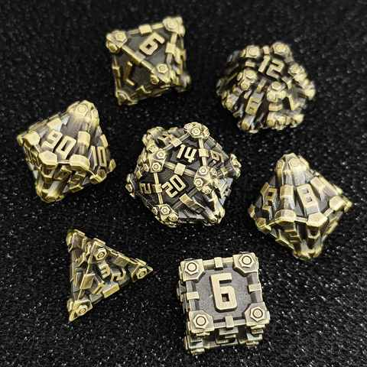 | XTZ-3 | 100 | 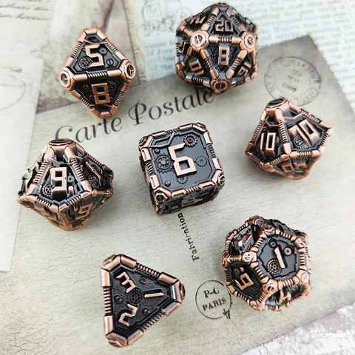 | XCL-3 | 100 | 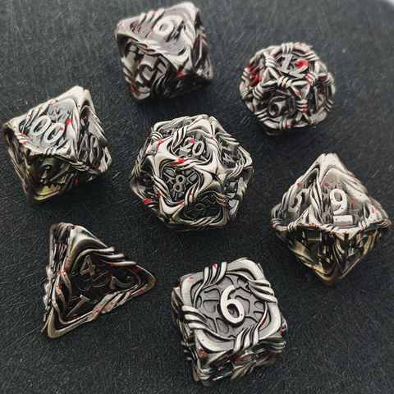 | MW-3 | 100 |  | HS-3 | 100 |  | DL-3 | 100 |  | MT-3 | 100 |  |  | XL-3 | 100 |  | MH-3 | 100 |  | CYJ-3 | 100 |  | PKP-3 | 100 |  | GTL-3 |  |  |  | KL-3 | 100 |  |  | DZ-3 | 100 |  | XJ-3 | 100 |  | YJ-3 | 100 |  |  | JX-3 | 100 |  | CL-3 | 100 |  |  | LH-3 | 100 |  |  | JJ-3 | 100 |  | L-3 | 100 |  | JS-3 | 100 |  | LXQ-3 | 100
 | LTA-4 |  |  |  | XTZ-4 | 100 |  | XCL-4 | 100 |  | MW-4 | 100 |  | HS-4 | 100 |  | DL-4 | 100 |  | MT-4 | 100 |  |  | XL-4 | 100 |  | MH-4 | 100 |  | CYJ-4 | 100 |  | PKP-4 | 100 |  | GTL-4 |  |  |  | KL-4 | 100 |  |  | DZ-4 | 100 |  | XJ-4 | 100 |  | YJ-4 | 100 |  |  | JX-4 | 100 |  | CL-4 | 100 |  |  | LH-4 | 100 |  |  | JJ-4 | 100 |  | L-4 | 100 |  | JS-4 | 100 |  | LXQ-4 | 100
 | LTA-5 |  |  |  | XTZ-5 | 100 |  | XCL-5 | 100 |  | MW-5 | 100 |  | HS-5 | 100 |  | DL-5 | 100 |  | MT-5 | 100 |  |  | XL-5 | 100 |  | MH-5 | 100 |  | CYJ-5 | 100 |  | PKP-5 | 100 |  | GTL-5 |  |  |  | KL-5 | 100 |  |  | DZ-5 | 100 |  | XJ-5 | 100 |  | YJ-5 | 100 |  |  | XZDDT-1 | 100 |  | CL-5 | 100 |  |  | LH-5 | 100 |  |  | JJ-5 | 100 |  | L-5 | 100 |  | JS-5 | 100 |  | LXQ-5 | 100
 | LTA-6 |  |  |  | XTZ-6 | 100 |  | XCL-6 | 100 |  | MW-6 | 100 |  | HS-6 | 100 |  | DL-6 | 100 |  | MT-6 | 100 |  |  |  |  |  |  |  |  | CYJ-6 | 100 |  | PKP-6 | 100 |  | GTL-6 |  |  |  | KL-6 | 100 |  |  | DZ-6 | 100 |  | XJ-6 | 100 |  | YJ-6 | 100 |  |  | XZDDT-2 | 100 |  | CL-6 | 100 |  |  | LH-6 | 100 |  |  | JJ-6 | 100 |  | L-6 | 100 |  | JS-6 | 100 |  | LXQ-6 | 100
 | LTA-7 |  |  |  | XTZ-7 | 100 |  | XCL-7 | 100 |  | MW-7 | 100 |  | HS-7 | 100 |  | DL-7 | 100 |  | MT-7 | 100 |  |  |  |  |  |  |  |  | CYJ-7 | 100 |  | PKP-7 | 100 |  | GTL-7 |  |  |  | KL-7 | 100 |  |  | DZ-7 | 100 |  | XJ-7 | 100 |  | YJ-7 | 100 |  |  | XZDDT-3 | 100 |  | CL-7 | 100 |  |  | LH-7 | 100 |  |  | JJ-7 | 100 |  | L-7 | 100 |  | JS-7 | 100 |  | LXQ-7 | 100
 |  |  |  |  | XTZ-8 | 100 |  |  |  |  | MW-8 | 100 |  | HS-8 | 100 |  | DL-8 | 100 |  | MT-8 | 100 |  |  |  |  |  |  |  |  | CYJ-8 | 100 |  |  |  |  | GTL-8 |  |  |  | KL-8 | 100 |  |  | DZ-8 | 100 |  | XJ-8 | 100 |  | YJ-8 | 100 |  |  | D6 | 100 |  | CL-8 | 100 |  |  | LH-8 | 100 |  |  | JJ-8 | 100 |  | L-8 | 100 |  | JS-8 | 100 |  | LXQ-8 | 100
 |  |  |  |  |  |  |  |  |  |  | MW-9 | 100 |  |  |  |  | DL-9 | 100 |  | MT-9 | 100 |  |  |  |  |  |  |  |  | CYJ-9 | 100 |  |  |  |  |  |  |  |  | KL-9 | 100 |  |  | DZ-9 | 100 |  | XJ-9 | 100 |  | YJ-9 | 100 |  |  | D6 | 100 |  | CL-9 | 100 |  |  | LH-9 | 100 |  |  | JJ-9 | 100 |  | L-9 | 100 |  | JS-9 | 100 |  | LXQ-9 | 100
 |  |  |  |  |  |  |  |  |  |  |  |  |  |  |  |  | DL-10 | 100 |  |  |  |  |  |  |  |  |  |  |  |  |  |  |  |  |  |  |  |  |  | KL-10 | 100 |  |  | DZ-10 | 100 |  | XJ-10 | 100 |  | YJ-10 | 100 |  |  |  |  |  | CL-10 | 100 |  |  | LH-10 | 100 |  |  | JJ-10 | 100 |  | L-10 | 100 |  | JS-10 | 100 |  | LXQ-10 | 100
 |  |  |  |  |  |  |  |  |  |  |  |  |  |  |  |  |  |  |  |  |  |  |  |  |  |  |  |  |  |  |  |  |  |  |  |  |  |  |  | KL-11 | 100 |  |  |  |  |  | XTZ-1 | 100 |  |  |  |  |  |  |  |  | CL-11 | 100 |  |  | LH-11 | 100 |  |  | JJ-11 | 100 |  | L-11 | 100 |  | JS-11 | 100 |  | LXQ-11 | 100
 |  |  |  |  |  |  |  |  |  |  |  |  |  |  |  |  |  |  |  |  |  |  |  |  |  |  |  |  |  |  |  |  |  |  |  |  |  |  |  |  |  |  |  |  |  |  | XTZ-2 | 100 |  |  |  |  |  |  |  |  | CL-12 | 100 |  |  | LH-12 | 100 |  |  | JJ-12 | 100 |  |  |  |  | JS-12 | 100 |  | LXQ-12 | 100
 |  |  |  |  |  |  |  |  |  |  |  |  |  |  |  |  |  |  |  |  |  |  |  |  |  |  |  |  |  |  |  |  |  |  |  |  |  |  |  |  |  |  |  |  |  |  | XTZ-3 | 100 |  |  |  |  |  |  |  |  | CL-13 | 100 |  |  | LH-13 | 100 |  |  | JJ-13 | 100 |  |  |  |  | JS-13 | 100 |  | LXQ-13 | 100
 |  |  |  |  |  |  |  |  |  |  |  |  |  |  |  |  |  |  |  |  |  |  |  |  |  |  |  |  |  |  |  |  |  |  |  |  |  |  |  |  |  |  |  |  |  |  |  |  |  |  |  |  |  |  |  |  | CL-14 | 100 |  |  | LH-14 | 100 |  |  | JJ-14 | 100 |  |  |  |  | JS-14 | 100 |  | LXQ-14 | 100
 |  |  |  |  |  |  |  |  |  |  |  |  |  |  |  |  |  |  |  |  |  |  |  |  |  |  |  |  |  |  |  |  |  |  |  |  |  |  |  |  |  |  |  |  |  |  |  |  |  |  |  |  |  |  |  |  | CL-15 | 100 |  |  | LH-15 | 100 |  |  |  |  |  |  |  |  | JS-15 | 100
 |  |  |  |  |  |  |  |  |  |  |  |  |  |  |  |  |  |  |  |  |  |  |  |  |  |  |  |  |  |  |  |  |  |  |  |  |  |  |  |  |  |  |  |  |  |  |  |  |  |  |  |  |  |  |  |  |  |  |  |  | LH-16 | 100 |  |  |  |  |  |  |  |  | JS-16 | 100
 |  |  |  |  |  |  |  |  |  |  |  |  |  |  |  |  |  |  |  |  |  |  |  |  |  |  |  |  |  |  |  |  |  |  |  |  |  |  |  |  |  |  |  |  |  |  |  |  |  |  |  |  |  |  |  |  |  |  |  |  | LH-17 | 100 |  |  |  |  |  |  |  |  | JS-17 | 100
 |  |  |  |  |  |  |  |  |  |  |  |  |  |  |  |  |  |  |  |  |  |  |  |  |  |  |  |  |  |  |  |  |  |  |  |  |  |  |  |  |  |  |  |  |  |  |  |  |  |  |  |  |  |  |  |  |  |  |  |  | LH-18 | 100 |  |  |  |  |  |  |  |  | JS-18 | 100
 |  |  |  |  |  |  |  |  |  |  |  |  |  |  |  |  |  |  |  |  |  |  |  |  |  |  |  |  |  |  |  |  |  |  |  |  |  |  |  |  |  |  |  |  |  |  |  |  |  |  |  |  |  |  |  |  |  |  |  |  |  |  |  |  |  |  |  |  |  |  | JS-19 | 100

